Instructions - Elig Wkrs
 |  |  | ELIGIBILITY WORKER INSTRUCTIONS

 | GENERAL INFORMATION

 | This workbook was designed as a tool for Eligibility Workers to calculate benefits with minimal
 | manual calculations and table lookup. It also minimizes manual reconciliation by Fiscal staff.
 | Please read the ACL's and CFL's for more details

 | The workbook calculates the following:
 | Issuance Amount
 | Funding Information
 | Claiming Information

 | Other Uses:
 | Provides Information to be entered on Non-system Determined Issuance
 | Serves as a tool for Fiscal's reconciliation and claiming process
 | Serves as a backup for the case
 | Communication tool from Eligibility to Fiscal

 | INSTRUCTIONS

 | Use one worksheet per child per benefit month
BLUE | Highlights are required information for ALL types of transactions in order to calculate
PURPLE | Highlights are only required for supplemental payments & cases with existing CalWORKs
 | Please do not enter any information in cells other that the highlighted ones
 | Questions regarding prior issuance refers to issuances made on the benefit month you are calculating

 | Incomplete information may result in inaccurate calculation of benefits or funding
 | In some instances, you will see a message pop up in red if there is an error. Please make the
 | necessary corrections even if you don't see a difference in the issuance amount

 | CALCULATING FOR MULTIPLE MONTHS FOR THE SAME CASE
 | When calculating multiple months for the same child,please DO NOT copy and paste the entire rows on
 | the worksheet OR create a copy of the sheet as some formulas will not work properly.
 | You may copy and paste rows 3 - 8 onto a blank form as long as the aid code stays the same

 | SAN MATEO COUNTY ADDITIONAL INSTRUCTIONS (Optional for other counties):

 | Fiscal will provide a workbook per BA, per ISSUANCE Month by saving it on a shared drive (TBD)
 | Change the Tab name to CHILD'S LAST NAME - EFF MONTH
 | Please contact Fiscal for the following:
 |  | If you do not have a workbook for the issuance month
 |  | If you need more worksheets than what was provided
 |  | Any errors with Foster Care or CalWORKs rates
 |  | Any questions about the workbook

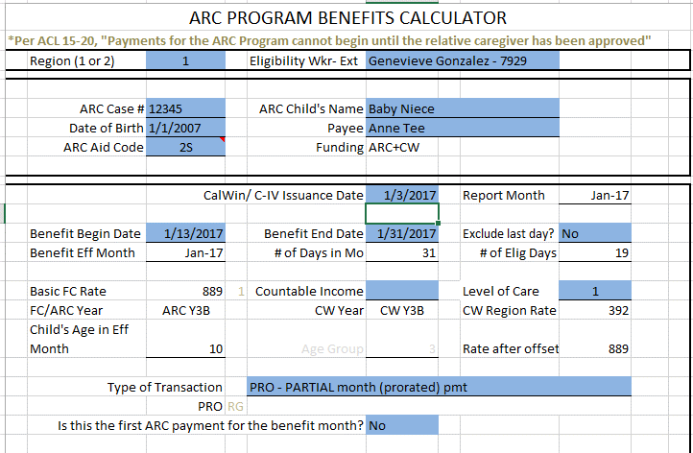

Enter all the necessary information on the ones with BLUE fields.
Pay attention to RED error messages

When you'll issue the benefits ----->

Appears only when tran type is PRO
Fill out the PURPLE fields only if ARC benefits were issued for the effective month on behalf of the child.
Use tran type CAL only if you deducted the ARC child's CalWorks from the original issuance

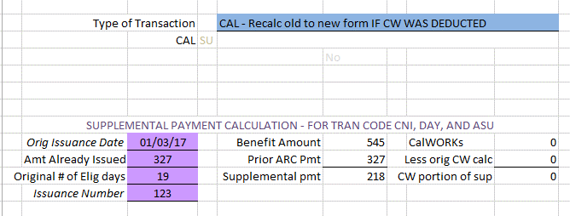

Child Count to enter into the issuance screen
Amount to enter into the issuance screen

Enter into the Issuance Reason field, if applicable.
CalWIN users, please copy & paste this information in the Issuance Reason for NSDI.

Information for the CA800 Claim form

Based on County of Jurisdiction (issuing County). A complete list of Counties/ Region may be found on the ARC Tables sheet
The Staff who will issue the benefit

Use 2P or 2R (as applicable) if the child is ARC Eligible and CalWORKs eligibility is still pending

The date you will enter the payment in NSDI (or equivalent for Non-CalWin Counties) OR Date you submit the payment request (depending on Cty process)
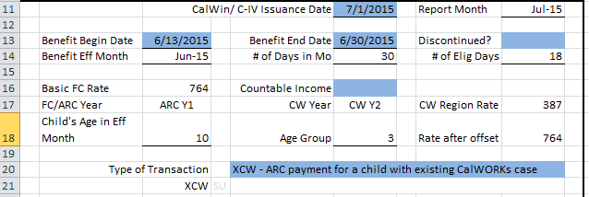

Fields that are not highlighted are automatically populated/ computed once the necessary information are entered
Beginning Date of Aid
IF ISSUING FOR ADDITIONAL DAYS, Enter the CORRECT Benefit begin and end date. For instance, you originally entered 4/20 - 4/30 as benefit dates, but it should be 4/16-4/30, use 4/16-4/30 as the benefit dates.

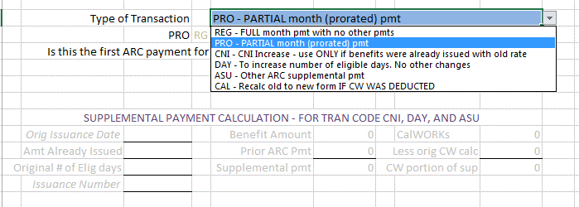

After completing all the BLUE highlights and you chose either PRO or REG, and answer the question if it appears, your calculation is done. If not, please continue to the purple section.

 |  | TRANSACTION TYPES

REG | Use when the benefit to be issued is for a FULL month and it's not a benefit adjustment

PRO | Use if the benefit is for partial month and it's not a benefit adjustment
 | Please answer the additional question to determine person count.

CNI | Use when a supplemental ARC payment needs to be issued due to CNI increase
 | When this Transaction type is selected, the Purple Cells must also be completed.

DAY | Use when the ARC payment needs to be recalculated due to incorrect benefit start date
 | When this Transaction type is selected, the Purple Cells must also be completed.

ASU | For any other type of payment recalculation to adjust ARC portion only
 | When this Transaction type is selected, the Purple Cells must also be completed.

CAL | Use only if the ARC child's portion was deducted from original issuance. This type will only adjust the CW
 | When this Transaction type is selected, the Purple Cells must also be completed.

Must be separated by a character for delimiting purpose. Everyone in the Cty that issues ARC must use the same character.
OPTIONAL FIELD FOR OTHER COUNTIES

AID CODE
TRAN TYPE

CHILD'S BIRTH-DATE
CALWORKS PORTION OF PMT

This information is needed by the CA800 Claiming Unit. This might be subject to change depending on the Claiming Unit’s reporting needs and system changes.
This information will be entered in the Issuance Reason field in the NSDI screen as it appears in the workbook. This information will be in the CISSEND Report. Asterisks/Separators will be used by Fiscal as a delimeter for their reports.
This example pulls the following:
Aid code – Needed, especially if the ARC aid codes are not yet available in CalWIN when issuing NSDI.
DOB - for reconciliation purpose
Transaction type - this determines the Assistance units to claim/ for reconciliation
CalWORKs portion - This determines the amount to put in CW portion of the claim. This is really important as it's the only source that Fiscal would have to determine CW portion of partial and supplemental payments
Each field must be separated by a character that is not used by Fiscal as a delimiter for their reports.

Flow
EW Calculates issuance using ARC calculator
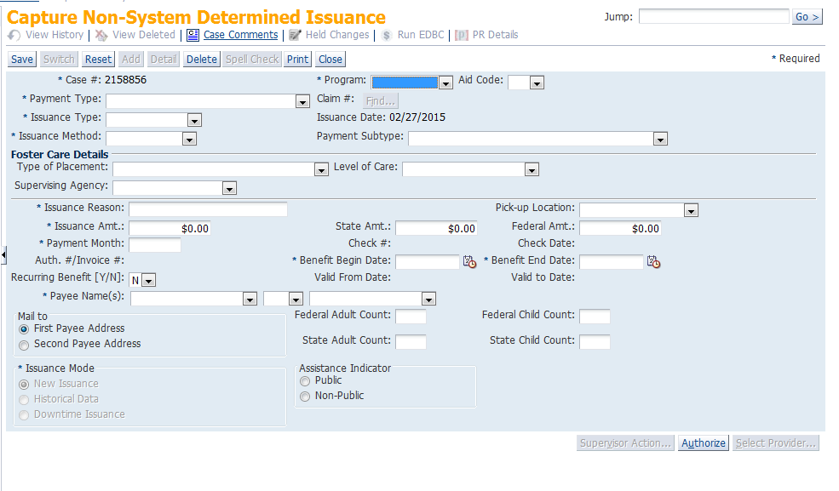
EW Issues benefit thru NSDI. Complete all necessary info including Issuance reason.

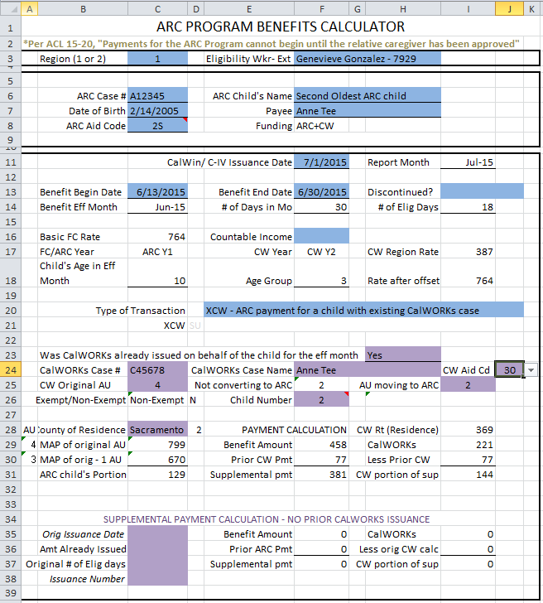

NSDI Issuances appear on the daily CISSEND report for FISCAL reconciliation.

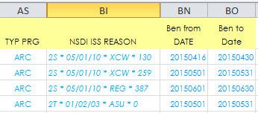

FISCAL uses CISSEND (or similar reports) for reconciliation and reporting. Add formulas at the right side of the report to reconcile against actual issuances and CW portion.

FISCAL enters totals on the CA800 Claim form
CA800 CLAIM

